Sheet1
The Pricelist of Managed Industrial Bypass Switch
Picture | Model | Description | Unit price/ RMB未税
1 channel single fiber Bypass
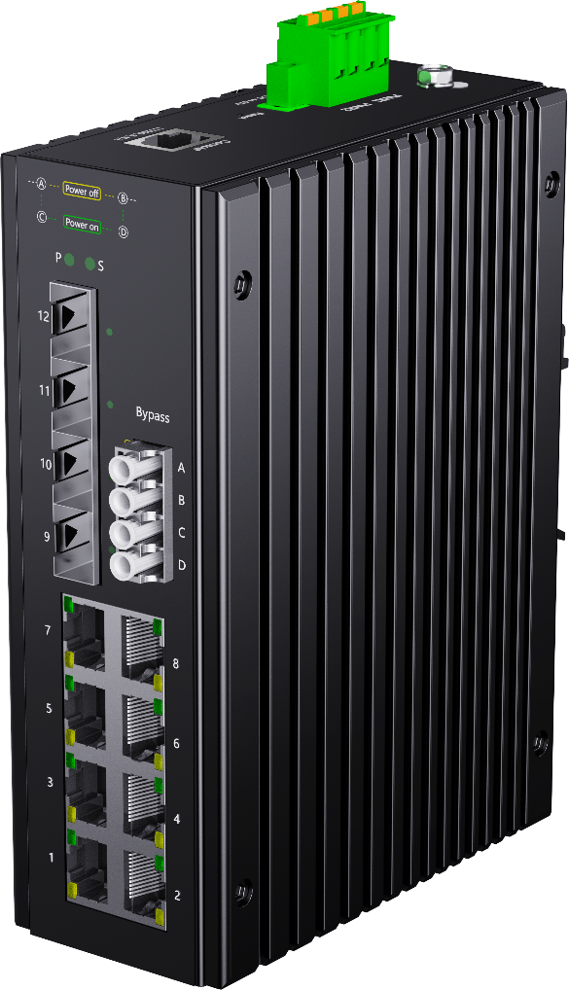 | LT-IS6312G-4GX8GT-FBP | L2+ Managed industrial Bypass switch with 8*10/100/1000Base-T RJ45 ports, 4*1G/2.5GBase-X SFP slots and 1 channel single fiber bypass port, DC24-58V input | 960
 | LT-IS6312GP-4GX8GT-FBP | L2+ Managed industrial Bypass switch with 8*10/100/1000Base-T RJ45 PoE ports, 4*1G/2.5GBase-X SFP slots and 1 channel single fiber bypass port, complies with IEEE802.3af, IEEE802.3at standard, DC44-57V input | 1040
 | LT-IS6312GP-4GX8GT-2BT-FBP | L2+ Managed industrial Bypass switch with 8*10/100/1000Base-T RJ45 PoE ports, 1-2 ports support PoE++ 60-90W, 4*1G/2.5GBase-X SFP slots and 1 channel single fiber bypass port, DC44-57V input | 1140
 | LT-IS6312XG-4XS8GT-FBP | L2+ Managed industrial Bypass switch with 8*10/100/1000Base-T RJ45 ports, 4*1G/2.5G/10GBase-X SFP+ slots and 1 channel single fiber Bypass port, DC24-58V input | 1160
 | LT-IS6312XGP-4XS8GT-FBP | L2+ Managed industrial Bypass switch with 8*10/100/1000Base-T RJ45 PoE ports, 4*1G/2.5G/10GBase-X SFP+ slots and 1 channel single fiber bypass port, DC44-57V input | 1240
 | LT-IS6312XGP-4XS8GT-2BT-FBP | L2+ Managed industrial Bypass switch with 8*10/100/1000Base-T RJ45 PoE ports, 1-2 ports support PoE++ 60-90W, 4*1G/2.5G/10GBase-X SFP+ slots and 1 channel single fiber bypass port, DC44-57V input | 1340
2 channels single fiber Bypass or 1 channel dual fiber Bypass
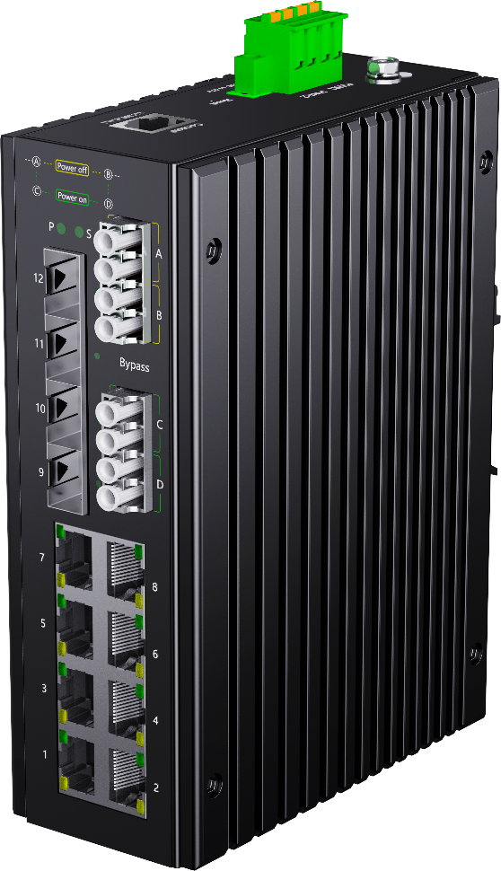 | LT-IS6312G-4GX8GT-2FBP | L2+ Managed industrial Bypass switch with 8*10/100/1000Base-T RJ45 ports, 4*1G/2.5GBase-X SFP slots and 2 channels single fiber bypass ports or 1 channel dual fiber Bypass port, DC24-58V input | 1260
 | LT-IS6312GP-4GX8GT-2FBP | L2+ Managed industrial Bypass switch with 8*10/100/1000Base-T RJ45 PoE ports, 4*1G/2.5GBase-X SFP slots and 2 channels single fiber Bypass ports or 1 channel dual fiber Bypass port , DC44-57V input | 1340
 | LT-IS6312GP-4GX8GT-2BT-2FBP | L2+ Managed industrial Bypass switch with 8*10/100/1000Base-T RJ45 PoE ports, 1-2 ports support PoE++ 60-90W, 4*1G/2.5GBase-X SFP slots and 2 channels single fiber Bypass ports or 1 channel dual fiber Bypass port, DC44-57V input | 1440
 | LT-IS6312XG-4XS8GT-2FBP | L2+ Managed industrial Bypass switch with 8*10/100/1000Base-T RJ45 ports, 4*1G/2.5G/10GBase-X SFP+ slots and 2 channels single fiber bypass ports or 1 channel dual fiber Bypass port, DC24-58V input | 1460
 | LT-IS6312XGP-4XS8GT-2FBP | L2+ Managed industrial Bypass switch with 8*10/100/1000Base-T RJ45 PoE ports, 4*1G/2.5G/10GBase-X SFP+ slots and 2 channels single fiber bypass ports or 1 channel dual fiber Bypass port, DC44-57V input | 1540
 | LT-IS6312XGP-4XS8GT-2BT-2FBP | L2+ Managed industrial Bypass switch with 8*10/100/1000Base-T RJ45 PoE ports, 1-2 ports support PoE++ 60-90W, 4*1G/2.5G/10GBase-X SFP+ slots and 2 channels single fiber Bypass ports or 1 channel dual fiber Bypass port, DC44-57V input | 1640

